Gant Chart
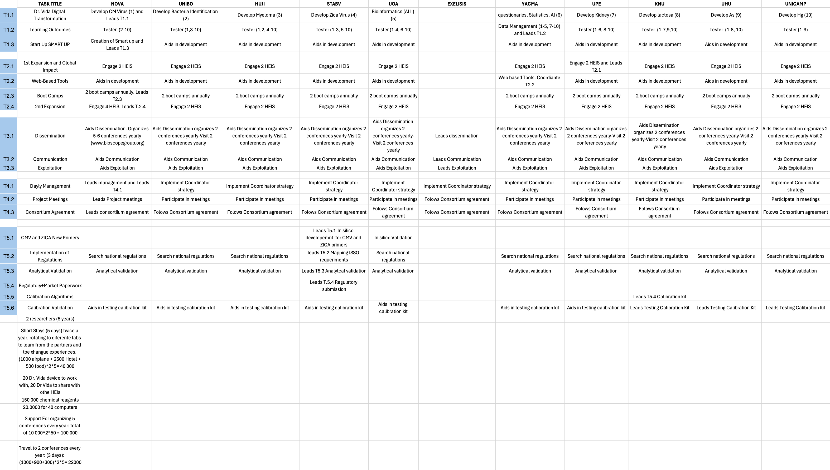
Da: includes deliverables 1.1.1 to 1.1.9. Db: Includes deliverables 1.1.10 to D.1.3: datas congresos NOVA-Bioscope. D2.2: Boot camps. Expected datas for simultaneous launching. Each delivery means 8 boots camps). D4.1 Reporting every 6 months. D.4.2 Project meetings.
 |  | SMART | TASK DESCRIPTION |  | 2026 |  |  |  |  |  |  |  |  |  |  |  | 2027 |  |  |  |  |  |  |  |  |  |  |  | 2028 |  |  |  |  |  |  |  |  |  |  |  | 2029 |  |  |  |  |  |  |  |  |  |  |  | 2030
 |  |  |  |  | 1 | 2 | 3 | 4 | 5 | 6 | 7 | 8 | 9 | 10 | 11 | 12 | 13 | 14 | 15 | 16 | 17 | 18 | 19 | 20 | 21 | 22 | 23 | 24 | 25 | 26 | 27 | 28 | 29 | 30 | 31 | 32 | 33 | 34 | 35 | 36 | 37 | 38 | 39 | 40 | 41 | 42 | 43 | 44 | 45 | 46 | 47 | 48 | 49 | 50 | 51 | 52 | 53 | 54 | 55 | 56 | 57 | 58 | 59 | 60
 |  | WP1 Foundation and implementation (2026-2028????): Coordinator: NOVA
 |  | T1.1 | Dr. Vida Digital Transformation | NOVA |  |  |  |  |  |  |  |  | M1.a |  |  | M1.b |  |  | Da |  |  |  |  |  | Db
 |  | T1.2 | Learning Outcomes | YAGMA |  |  |  |  |  |  |  |  |  |  |  |  |  |  | M1.2 |  |  |  |  |  |  |  |  |  |  |  | D1.2
 |  | T1.3 | Start Up SMART UP | NOVA | D1.3 |  |  |  |  | D1.3 | D1.3 | M1.3.1 | D1.3 | D1.3 |  | D1.3 |  | D1.3 |  |  | D1.3 | D1.3 | D1.3 |  | M1.3.2 | D1.3 | D1.3 | D1.3 | D1.3 |  |  |  |  | D1.3 | D1.3 |  | D1.3 | | D1.3 | M1.3.3 | D1.3 |  |  |  |  |  | D1.3 | D1.3 |  | D1.3 | D1.3 | D1.3 | D1.3 |  | M1.3.4 |  |  |  | D1.3 | D1.3 | D1.3 | D1.3 | M1.3.5 |  | D1.3
 |  | WP2 - 1st Expansion and Global Impact (2028-2030): Coordinator UPE (Replacement: UNIBO)
 |  | T2.1 | 1st Expansion and Global Impact | UPE (UNIBO) |  |  |  |  |  |  |  |  |  |  |  |  |  |  |  |  |  |  |  |  |  |  |  | M2.1 |  |  |  |  |  |  |  |  |  |  |  | D2.1
 |  | T2.2 | Web-Based Tools | YAGMA |  |  |  |  |  |  |  |  |  |  |  |  |  |  |  |  |  |  |  |  |  | M2.3 |  |  |  |  |  | D2.3
 |  | T2.3 | Boot Camps | NOVA |  |  |  |  |  |  |  |  |  |  |  |  |  |  |  |  |  |  | D2.2 |  |  |  |  |  | D2.2 |  |  |  |  |  |  | D2.2 |  | M2.2 |  |  | D2.2 |  |  |  |  |  | D2.2 |  |  |  |  |  | D2.2
 |  | T.2.4 | 2nd Expansion | UNIBO |  |  |  |  |  |  |  |  |  |  |  |  |  |  |  |  |  |  |  |  |  |  |  |  |  |  |  |  |  |  |  |  |  |  |  |  |  |  |  |  |  |  |  |  |  | M2.4 |  |  |  |  |  |  |  |  |  |  |  |  |  | D2.4
 |  | WP3 Dissemination, outreach and exploitation (2026-2030): Coordinator: EXELISIS
 | EXELIXIS | T3.1 | Dissemination | EXELISIS |  |  |  |  |  | D3.1
 |  | T3.2 | Communication | EXELISIS |  |  |  |  |  |  |  | M3.2.1 | M3.2.2 |  |  | M3.2.3 |  | M3.2.4 |  |  |  |  |  |  |  | M3.2.5 |  |  |  |  |  |  |  |  |  | M3.2.6 |  |  |  |  |  |  |  |  |  |  |  | M3.2.7 |  |  |  |  |  | M3.2.8 |  |  |  |  |  |  |  | D3.2
 |  | T3.3 | Exploitation | EXELISIS |  | M3.3.1 |  |  | M3.3.2 |  | D.3.3 | M3.3.3 |  |  |  |  |  |  |  |  | M3.3.4 |  |  |  |  |  |  |  |  |  |  |  | M3.3.5 |  |  |  |  |  |  |  |  |  |  |  |  |  |  |  |  |  | M3.3.6
 |  | WP4 Project and IPR Management (2026-2030): Coordinator NOVA
 |  | T4.1 | Dayly Management | NOVA |  | M4.1.1 |  |  | D4.1.1 |  |  |  |  | M4.1.2 | D4.1.2 |  |  |  |  |  | D4.1.1 |  |  |  |  |  | D4.1.2 |  |  |  |  | M4.1.3 | D4.1.1 |  |  |  |  |  | D4.1.2 |  |  |  |  |  | D4.1.1 |  |  |  |  |  | D4.1.2 |  |  |  |  |  | D4.1.1 |  |  | M4.1.4 |  |  | D4.1.2
 |  | T4.2 | Project Meetings | NOVA |  |  |  | M4.2.2 |  |  |  | D4.2 |  | M4.2.2 | D4.2 |  |  |  |  |  | D4.2 |  |  |  |  | M4.2.2 | D4.2 |  |  |  |  |  | D4.2 |  |  |  |  | M4.2.2 | D4.2 |  |  |  |  |  | D4.2 |  |  |  |  | M4.2.2 | D4.2 |  |  |  |  |  | D4.2 |  |  | M4.2.2 | M4.2.3 | D4.2 | D4.3
 |  | T4.3 | Consortium Agreement | NOVA |  |  |  | M.4.3.1 |  | M4.3.2 | D.4.3
 |  | W6 Scientific research. (2027-2030): Coordinator STABV
 |  | T5.1 | CMV and ZICA New Primers | STABV |  |  |  |  |  |  |  |  | M5.1 |  |  |  |  |  | D.5.1
 |  | T5.4 | Implementation of Regulations | STABV |  |  |  |  |  |  |  |  |  |  |  |  |  |  |  |  | M5.2.1 | M5.2.2 |  |  |  | D5.2.1 | D5.2.2
 |  | T5.3 | Analytical Validation | STABV |  |  |  |  |  |  |  |  |  |  |  |  |  |  |  |  |  |  |  |  |  |  |  |  |  | M5.3 |  |  |  |  |  |  |  |  |  |  | D5.3
 |  | T5.4 | Regulatoru+Market Paperwork | STABV |  |  |  |  |  |  |  |  |  |  |  |  |  |  |  |  |  |  |  |  |  |  |  |  |  |  |  |  |  |  |  |  |  |  |  |  |  |  |  |  |  |  |  | M5.4.1 | M5.4.2 |  |  |  | D5.4.1 | D.5.4.2
 |  | T5.5 | Calibration Algorithms | KNU |  |  |  |  |  |  |  |  |  |  |  |  |  |  |  |  |  | M6.5.1 |  |  |  |  | M5.5.2 | D5.5.1 |  |  |  |  |  |  |  |  |  |  |  | D5.5.2
 |  | T5.6 | Calibration Validation | KNU |  |  |  |  |  |  |  |  |  |  |  |  |  |  |  |  |  |  |  |  |  |  |  |  |  |  |  |  |  |  |  |  |  |  | M5.6.1 |  |  | M5.6.2 |  |  | D5.6.1 |  |  |  |  |  | D5.6.2

